Cover
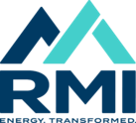 Program Time Report (PLEASE DO NOT DISTRIBUTE)

Carbon-Free Transportation - Aug-2024

